Example
Autocorrelations and the standard errors
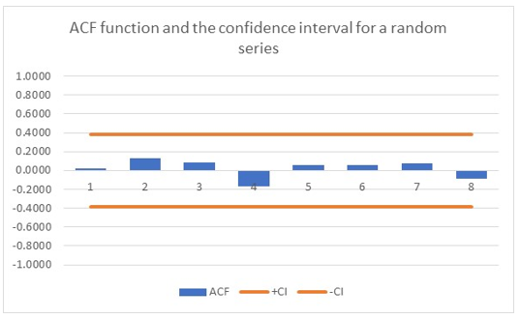
Example |  | UK visits | Deviation | M2 |  |  |  |  | Corrected
 | DATE | abroad (000) | from mean | ACF | SE | +CI | -CI | k | SE | +CI | -CI
 | 2014 MAY | 5300 | -411.80 | 0.880 | 0.141 | 0.277 | -0.277 | 1 | 0.140 | 0.274 | -0.274
 | 2014 JUN | 4970 | -741.80 | 0.825 | 0.141 | 0.277 | -0.277 | 2 | 0.138 | 0.271 | -0.271
 | 2014 JUL | 4970 | -741.80 | 0.749 | 0.141 | 0.277 | -0.277 | 3 | 0.137 | 0.268 | -0.268
 | 2014 AUG | 5020 | -691.80 | 0.699 | 0.141 | 0.277 | -0.277 | 4 | 0.135 | 0.265 | -0.265
 | 2014 SEP | 4980 | -731.80 | 0.637 | 0.141 | 0.277 | -0.277 | 5 | 0.134 | 0.262 | -0.262
 | 2014 OCT | 5020 | -691.80 | 0.567 | 0.141 | 0.277 | -0.277 | 6 | 0.132 | 0.259 | -0.259
 | 2014 NOV | 5130 | -581.80 | 0.522 | 0.141 | 0.277 | -0.277 | 7 | 0.131 | 0.256 | -0.256
 | 2014 DEC | 5130 | -581.80 | 0.443 | 0.141 | 0.277 | -0.277 | 8 | 0.129 | 0.253 | -0.253
 | 2015 JAN | 5250 | -461.80 | 0.386 | 0.141 | 0.277 | -0.277 | 9 | 0.127 | 0.250 | -0.250
 | 2015 FEB | 5150 | -561.80 | 0.322 | 0.141 | 0.277 | -0.277 | 10 | 0.126 | 0.247 | -0.247
 | 2015 MAR | 5420 | -291.80 | 0.272 | 0.141 | 0.277 | -0.277 | 11 | 0.124 | 0.243 | -0.243
 | 2015 APR | 5440 | -271.80 | 0.230 | 0.141 | 0.277 | -0.277 | 12 | 0.122 | 0.240 | -0.240
 | 2015 MAY | 5640 | -71.80 | 0.208 | 0.141 | 0.277 | -0.277 | 13 | 0.121 | 0.237 | -0.237
 | 2015 JUN | 5470 | -241.80 | 0.178 | 0.141 | 0.277 | -0.277 | 14 | 0.119 | 0.233 | -0.233
 | 2015 JUL | 5810 | 98.20 | 0.139 | 0.141 | 0.277 | -0.277 | 15 | 0.117 | 0.230 | -0.230
 | 2015 AUG | 5530 | -181.80 | 0.091 | 0.141 | 0.277 | -0.277 | 16 | 0.115 | 0.226 | -0.226
 | 2015 SEP | 5380 | -331.80
 | 2015 OCT | 5490 | -221.80
 | 2015 NOV | 5510 | -201.80
Autocorrelations and the corrected standard errors
 | 2015 DEC | 5700 | -11.80
 | 2016 JAN | 5480 | -231.80
 | 2016 FEB | 5810 | 98.20
 | 2016 MAR | 5720 | 8.20
 | 2016 APR | 5810 | 98.20
 | 2016 MAY | 5900 | 188.20
 | 2016 JUN | 5610 | -101.80
 | 2016 JUL | 5940 | 228.20
 | 2016 AUG | 6150 | 438.20
 | 2016 SEP | 6170 | 458.20
 | 2016 OCT | 6080 | 368.20
 | 2016 NOV | 6020 | 308.20
 | 2016 DEC | 5950 | 238.20
 | 2017 JAN | 6080 | 368.20
 | 2017 FEB | 6160 | 448.20
 | 2017 MAR | 6150 | 438.20
 | 2017 APR | 6070 | 358.20
 | 2017 MAY | 5890 | 178.20
 | 2017 JUN | 6290 | 578.20
 | 2017 JUL | 5920 | 208.20
 | 2017 AUG | 6070 | 358.20
 | 2017 SEP | 6150 | 438.20
 | 2017 OCT | 6100 | 388.20
 | 2017 NOV | 5940 | 228.20
 | 2017 DEC | 5980 | 268.20
 | 2018 JAN | 5960 | 248.20
 | 2018 FEB | 5870 | 158.20
 | 2018 MAR | 5800 | 88.20
 | 2018 APR | 6080 | 368.20
 | 2018 MAY | 6080 | 368.20
 | 2018 JUN | 6050 | 338.20

